fall price list
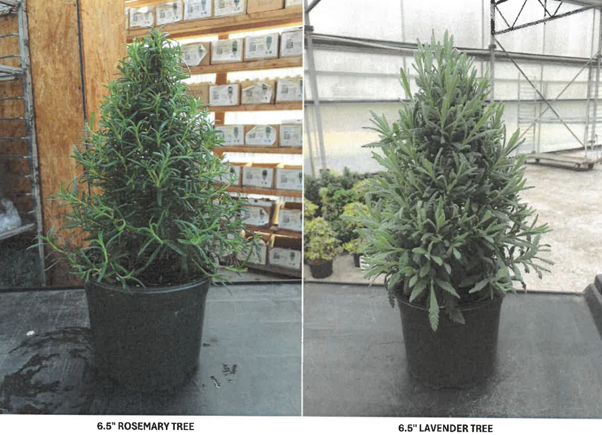

 | SILVERLEAF GREENHOUSES

 | 2026 HOLIDAY SEASON
 | PRICE LIST & ORDER FORM
 | SHIPPING AVAILABLE WEEK 42, 10/12/26 THRU WEEK 50, 12/7/26
 | Phone: (914) 475-0141
 | Email: sales@silverleafgreenhouses.com
 | Mailing Address | Physical Address
 | 426 Hudson Street | 2736 Route 208
 | Cornwall, NY 12518 | Walden, NY 12586

CUSTOMER: CONTACT: |  |  | PHONE#:
QTY |  | LIST $ | QUANTITY

 | 2.5" BAY LAUREL | $4.75

 | 6.5" BAY LAUREL | $8.50

 | ROSEMARY TOPIARIES
 | 4.5" HOOP | $8.00

 | 6.5" HOOP | $15.00

 | 6.5" LOLLIPOP | $16.00

 | 8" HEART | $18.00

 | 8" HOOP | $18.00

 | STANDARDS
 | 4.5" LAVENDER STD. ANOUK DEEP ROSE (in flower) | $12.00

 | 4.5" LAVENDER STD. ANOUK DOUBLESCAPE (in flower) | $12.00

 | 4.5" LAVENDER STD. PRIMAVERA (in flower) | $12.00

 | 6.5" LAVENDER STD. GOODWIN CREEK | $18.00

 | 6.5" ROSEMARY STANDARDS | $18.00

 | 8" ROSEMARY STANDARDS | $22.00

 | HOLIDAY TREES/CONES
 | 6.5" LAVENDER HOLIDAY TREES (cones) | $12.00

 | 6.5" ROSEMARY HOLIDAY TREES (cones) | $12.00

